_BURBERRY SCARVES
BURBERRY SCARVES FAST DELIVERY OR TO ORDER

PHOTOS | PHOTOS | MODEL | MOD. DESC. | MAT. DESC. | COL. DESC. | SIZE | Q.TY FAST DELIVERY (ONE WEEK) | Q.TY AVAILALBE BUT WITH LONGER DELIVERY (15-20DAYS) | YOUR REQUEST Q.TY | BOUTIQUE PRICE
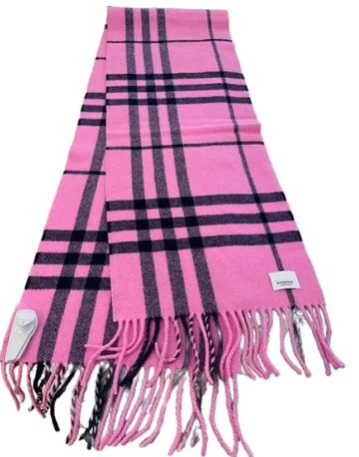 | 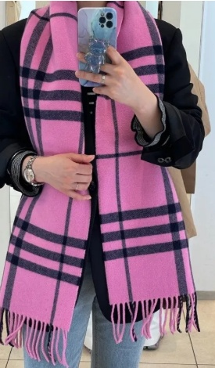 | 80899431 | A:MU 168X28 GNT CHK WL SC:160960:B694, 1 | 100% WOOL | BUBBLEGUM PINK IP CH | 168X28 | 15 | 100 |  | 420.00 €
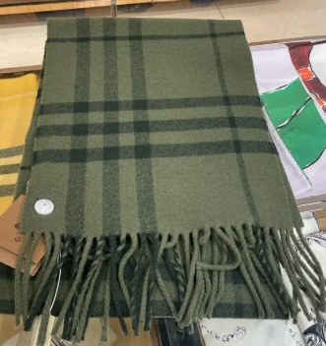 |  | 80899441 | A:MU 168X28 GNT CHK WL SC:160960:A120, 1 | 100% WOOL | KHAKI IP CHK | 168X28 | 33 | 100 |  | 420.00 €
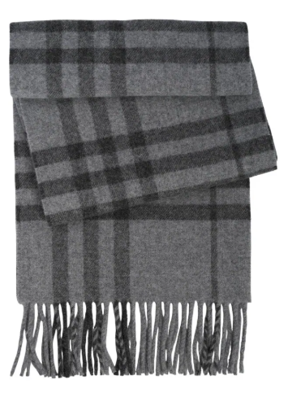 | 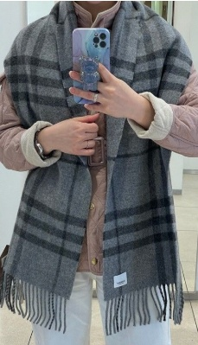 | 80899451 | A:MU 168X28 GNT CHK WL SC:160960:B330, 1 | 100% WOOL | MID GREY IP CHK | 168X28 | 30 | 100 |  | 420.00 €
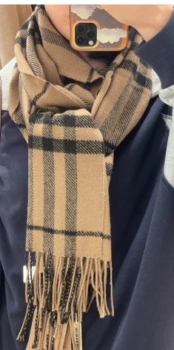 | 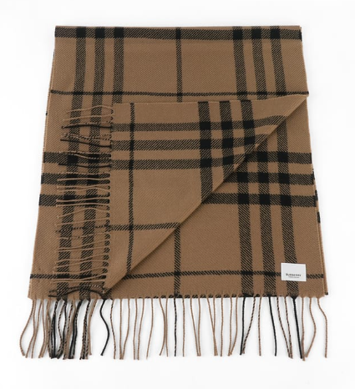 | 80899501 | A:MU 210X45 GNT CHK WL SC:160961:A220, 1 | 100% WOOL | TAUPE BROWN IP CHECK | 210X45 | 11 | 100 |  | 480.00 €
 |  | 80899511 | A:MU 210X45 GNT CHK WL SC:160961:A605, 1 | 100% WOOL | PILLAR BOX RED IP CK | 210X45 | 19 | 100 |  | 480.00 €
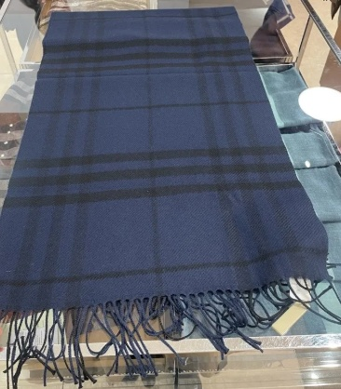 |  | 80899521 | A:MU 210X45 GNT CHK WL SC:160961:A122, 1 | 100% WOOL | NAVY IP CHK | 210X45 | 70 | 100 |  | 480.00 €
 |  | 80899541 | A:MU 210X45 GNT CHK WL SC:160961:A120, 1 | 100% WOOL | KHAKI IP CHK | 210X45 | 99 | 100 |  | 480.00 €
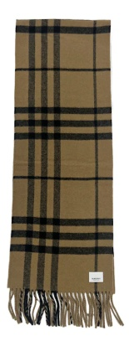 | 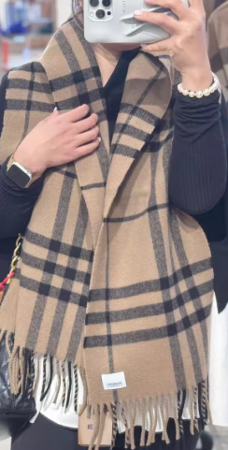 | 80899561 | A:MU 168X28 GNT CHK WL SC:160960:A220, 1 | 100% WOOL | TAUPE BROWN IP CHECK | 168X28 | 75 | 100 |  | 420.00 €
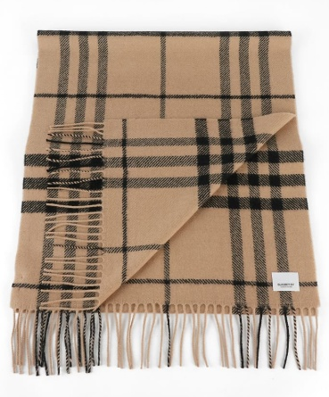 | 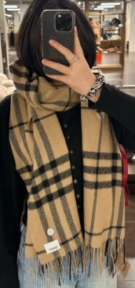 | 80942811 | A:MU 210X45 GNT CHK WL SC:160961:A105, 1 | 100% WOOL | CAMEL IP CHECK | 210X45 | 20 | 100 |  | 480.00 €
 |  |  |  |  |  |  | 372 | 900 | 0

